Sheet1
 | 3412 | Btu = | 1 | kWh
 | 1 | Thm = | 100000 | Btu
 | 1 | Thm = | 29.31 | kWh
 | 1 | Thm = | 0.029 | MWh |  | 2023 £ in USD | 1.2439

Efficiency |  |  |  |  |  | Prices

 | CCGT | CCGT | Peaking | Peaking |  | UK | GBP per therm | GBP per MWh | USD per MWh | Source
 | Low | High | Low | High |  | 2022/23 | 1.585 | 54.08 | 67.27 | https://www.statista.com/statistics/374970/united-kingdom-uk-gas-price-forecast/#:~:text=Gas%20prices%20forecast%20in%20the%20UK%202022%2D2029&text=The%20price%20of%20gas%20in,winter%20temperatures%20across%20the%20country.
heat rate | 6750 | 7500 | 8000 | 9800 |  | 2023-29 | 0.71 | 24.18 | 30.07
efficiency | 51% | 45% | 43% | 35%
 |  |  |  |  |  |  | GBP per tonne
 |  |  |  |  |  | Carbon low (2024 january to may) | 35.08 | 43.64
 |  |  |  |  |  | carbon high (2023) | 53.38 | 66.40

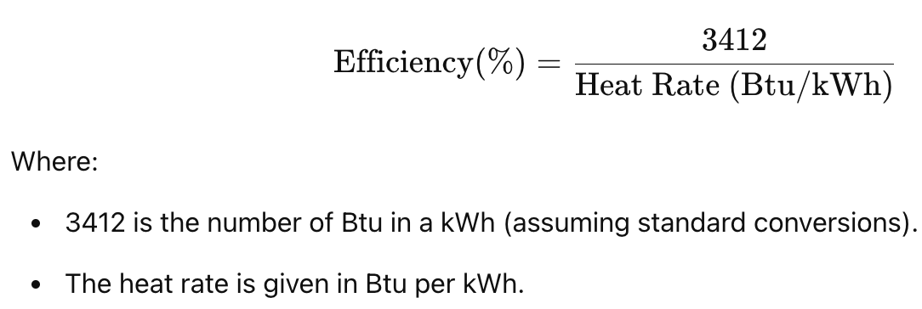

This misses ramping effects:
1. start up losses: energy isn't generating until turbines are cycling
2. full O&M implications - wear that occurs when ramping up and down
=> higher marginal cost per MWh

DESNZ 2023

Efficiency | EFFICIENCY | % | CCGT | DESNZ, 2023 | 1200 MW | 0.53
Efficiency | EFFICIENCY | % | OCGT | DESNZ, 2023 | 100-600 MW | 0.345
Lifetime | LIFETIME | Years | CCGT | DESNZ, 2023 | 1200 MW | 25
Lifetime | LIFETIME | Years | OCGT | DESNZ, 2023 | 100-600 MW | 25
Construction Time | BUILDTIME | Years | CCGT | DESNZ, 2023 | 1200 MW | 3
Construction Time | BUILDTIME | Years | OCGT | DESNZ, 2023 | Becomes 4 years if including development time, 100-600 MW | 2
Capital Cost | CAPEX | USD/kW | CCGT | DESNZ, 2023 | CCGT 1200 MW (low) | 650.5245326
Capital Cost | CAPEX | USD/kW | CCGT | DESNZ, 2023 | CCGT 1200 MW (mid) | 778.0783626
Capital Cost | CAPEX | USD/kW | CCGT | DESNZ, 2023 | CCGT 1200 MW (high) | 918.3875755
Capital Cost | CAPEX | USD/kW | OCGT | DESNZ, 2023 | OCGT 400-600 MW (low) | 414.5499473
Capital Cost | CAPEX | USD/kW | OCGT | DESNZ, 2023 | OCGT 400-600 MW (mid) | 478.3268622
Capital Cost | CAPEX | USD/kW | OCGT | DESNZ, 2023 | OCGT 400-600 MW (high) | 554.8591602
Capital Cost | CAPEX | USD/kW | OCGT | DESNZ, 2023 | OCGT 100-300 GW (low) | 570.1656198
Capital Cost | CAPEX | USD/kW | OCGT | DESNZ, 2023 | OCGT 100-300 GW (mid) | 790.8337456
Capital Cost | CAPEX | USD/kW | OCGT | DESNZ, 2023 | OCGT 100-300 GW (high) | 1144.157854
Fixed O&M | OPEX_F | USD/kW/yr | CCGT | DESNZ, 2023 | CCGT 1200 MW | 17.85753619
Fixed O&M | OPEX_F | USD/kW/yr | OCGT | DESNZ, 2023 | OCGT 400-600 MW | 8.928768095
Fixed O&M | OPEX_F | USD/kW/yr | OCGT | DESNZ, 2023 | OCGT 100-300 GW | 13.71203672
Variable O&M | OPEX_V | USD/MWh | CCGT | DESNZ, 2023 | CCGT 1200 MW | 2.551076599
Variable O&M | OPEX_V | USD/MWh | OCGT | DESNZ, 2023 | OCGT 400-600 MW | 1.275538299
Variable O&M | OPEX_V | USD/MWh | OCGT | DESNZ, 2023 | OCGT 100-300 GW | 1.696465938
Cost of Capital | WACC | % | CCGT | DESNZ, 2023 | 1200 MW | 0.075
Cost of Capital | WACC | % | OCGT | DESNZ, 2023 | 100-600 MW | 0.07

 |  |  |  |  | OCGT (low) | 492.35778355
 |  |  |  |  | OCGT (mid) | 634.5803039
 |  |  |  |  | OCGT (high) | 849.5085071

